1. Title Page
[Project Name]

Project Name: Instacart Grocery Basket Analysis
Date: 02/01/2023
Analyst Name: Sarah Oswald

Contents:
Population Flow
Consistency checks
Wrangling steps
Column derivations
Visualizations
Recommendations

2. Population Flow
 | Title page

Population flow

Exclusion flag
Condition: max_order < 5
Obervations to be removed:1440295
Final total count of order_products_all: 30964564, 41

Orders_products_combined
Orders_products_merged
Orders_products_all

Total: 32404859, 18
Total:32434489, 10
Total:
30964564,41

1.) The grey boxes in the first row of the population flow represent the original data sets as they were when you downloaded them. In the Total fields you need to add the count of the rows when you imported the data set into Jupyter.
2.) The second row of boxes (coloured) represents the data sets after you manipulated them, e.g., removed missing values and duplicates. In the Total fields you need to add the count of the rows after conducting these operations. This offers a visual oveview of how the data flows throughout the data consistency checks.
3.) The third row, where also the arrows are coloured, represents the merges you performed between the datasets. In the Total fields you need to add the count of the rows in the merged datasets, so that you end up with the final dataset (in the red box). Keep in mind the final dataset should be without exclusions (based on the exclusion flag).

3. Consistency checks
 |  |  |  | Title page
Consistency checks

Dataset | Missing values | Missing values treatment | Duplicates
orders | Missing data in 206209 data points | NaN was changed to 0 | No duplicates found
products | There were 16 missing values in product name | Values were deleted | There were 5 duplicated, which were deleted
orders_products_prior | no values missing | no values missing | No duplicates found
customers | 11259 missing values | NaN was not changed as the rest of the data was still valid. | No duplicates found

4. Wrangling steps
 |  |  |  | Title page
Wrangling steps

Columns dropped | Columns renamed | Columns' type changed | Comment/Reason
dropped eval_set on orders |  |  | was not needed
 | renamed 'order_dow' to 'orders_day_of_week' |  | made more sense
 |  | Changed 'order_id' to a string. | needed to change the variable for ease of use and correct calculations.
 |  | Transposed department so that the columns read up and down compared to left to right | ease of use
Unnamed column |  |  | was not needed
 | rename(columns = {'First Name' : 'first_name', 'Surnam' : 'surname', 'STATE' : 'state', 'Age' : 'age', 'Gender' : 'gender','fam_status' : 'marital_status' |  | renamed to make it all the same

5. Column derivations
 |  |  |  | Title page

Column derivations and aggregations

In this tab you should add tables below that the frequences of flags/label variables that you produced after deriving them. NB: don't do this for continuous variables, only for flags.
Dataset | New column | Column/s it was derived from | Conditions
df_ords_prods_merged | price_label | prices | #defining a new filter def price_label(row): if row['prices'] <= 5: return 'Low-range product' elif (row['prices'] > 5) and (row['prices'] <= 15): return 'Mid-range product' elif row['prices'] > 15: return 'High range' else: return 'Not enough data'
df_ords_prods_merged | busiest_day | orders_day_of_week | #creating busiest day column result = [] for value in df_ords_prods_merged["orders_day_of_week"]: if value == 0: result.append("Busiest day") elif value == 4: result.append("Least busy") else: result.append("Regularly busy")
df_ords_prods_merged | Most_orders | order_hour_of_day | #creating column for number of orders result2 = [] for value in df_ords_prods_merged['order_hour_of_day']: if value>=9 and value<=16: result2.append("Most orders") elif value <=6: result2.append("Average orders") else: result2.append("Fewest orders")
df_ords_prods_merged | loyalty_flag | max_order | df_ords_prods_merged.loc[df_ords_prods_merged['max_order'] > 40, 'loyalty_flag'] = 'Loyal customer' df_ords_prods_merged.loc[(df_ords_prods_merged['max_order'] <= 40) & (df_ords_prods_merged['max_order'] > 10), 'loyalty_flag'] = 'Regular customer' df_ords_prods_merged.loc[df_ords_prods_merged['max_order'] <= 10, 'loyalty_flag'] = 'New customer'
df_ords_prods_merged | spending_flag | average_price | df_ords_prods_merged.loc[df_ords_prods_merged['average_price'] < 10, 'spending_flag'] = 'Low spender' df_ords_prods_merged.loc[df_ords_prods_merged['average_price'] >= 10, 'spending_flag'] = 'High spender'
df_ords_prods_merged | order_frequency_flag | frequency_order | df_ords_prods_merged.loc[df_ords_prods_merged['frequency_order'] > 20, 'order_frequency_flag'] = 'Non-frequent customer' df_ords_prods_merged.loc[(df_ords_prods_merged['frequency_order'] <= 20) & (df_ords_prods_merged['frequency_order'] > 10), 'order_frequency_flag'] = 'Regular customer order' df_ords_prods_merged.loc[df_ords_prods_merged['frequency_order'] <= 10, 'order_frequency_flag'] = 'Frequent customer'
df_ords_prods_cust_merged | activity | max_order | df_ords_prods_cust_merged.loc[df_ords_prods_cust_merged['max_order'] >= 5, 'activity'] = 'high-activity customer' df_ords_prods_cust_merged.loc[df_ords_prods_cust_merged['max_order'] < 5, 'activity'] = 'low-activity customer'
df_all_low_excluded | age_group | age | age_group = [] for value in df_all_low_excluded['age']: if value>=18 and value<=25: age_group.append('Gen Z') elif value>=26 and value<=41: age_group.append('Millennial') elif value>=42 and value<=57: age_group.append('Gen X') elif value>=58 and value<=76: age_group.append('Baby Boomer') else: age_group.append("Silent Generation")
df_all_low_excluded | department | department_id | department = [] for value in df_all_low_excluded['department_id']: if value == 1: department.append('frozen') elif value == 2: department.append('other') elif value == 3: department.append('bakery') elif value == 4: department.append('produce') elif value == 5: department.append('alcohol') elif value == 6: department.append('international') elif value == 7: department.append('beverages') elif value == 8: department.append('pets') elif value == 9: department.append('dry goods pasta') elif value == 10: department.append('bulk') elif value == 11: department.append('personal care') elif value == 12: department.append('meat seafood') elif value == 13: department.append('pantry') elif value == 14: department.append('breakfast') elif value == 15: department.append('canned goods') elif value == 16: department.append('dairy eggs') elif value == 17: department.append('household') elif value == 18: department.append('babies') elif value == 19: department.append('snacks') elif value == 20: department.append('deli') else: department.append('missing')
df_all_low_excluded | income_bracket | income | income_bracket = [] for value in df_all_low_excluded['income']: if value>=25903 and value<=64000: income_bracket.append('extremely low income') elif value>=64001 and value<=96000: income_bracket.append('low income') elif value>=96001 and value<=111000: income_bracket.append('mid-range income') elif value>=111001 and value<=131000: income_bracket.append('high income') elif value>=131001 and value<=146000: income_bracket.append('very high income') else: income_bracket.append("extremely high income")
df_all_low_excluded | pet_owner | department_id | pet_owner = [] for value in df_all_low_excluded['department_id']: if value>=8: pet_owner.append('pet owner') else: pet_owner.append("not a pet owner")
df_all_low_excluded | family_shape | n_dependants | df_all_low_excluded.loc[(df_all_low_excluded['department_id'] == 18) & (df_all_low_excluded['n_dependants'] >= 1), 'family_shape'] = 'Family with Baby' df_all_low_excluded.loc[df_all_low_excluded['n_dependants'] == 0, 'family_shape'] = 'No Children' df_all_low_excluded.loc[(df_all_low_excluded['department_id'] != 18) & (df_all_low_excluded['n_dependants'] >= 1), 'family_shape'] = 'Older Children'
df_all_low_excluded | single_age | marital_status & age_group | df_all_low_excluded.loc[(df_all_low_excluded['marital_status'] == 'single') & (df_all_low_excluded['age_group'] == 'Gen Z'), 'single_age'] = 'Really Young Single' df_all_low_excluded.loc[(df_all_low_excluded['marital_status'] == 'single') & (df_all_low_excluded['age_group'] == 'Silent Generation'), 'single_age'] = 'Old Single' df_all_low_excluded.loc[(df_all_low_excluded['marital_status'] == 'single') & (df_all_low_excluded['age_group'] == 'Baby Boomer'), 'single_age'] = 'Older Single' df_all_low_excluded.loc[(df_all_low_excluded['marital_status'] == 'single') & (df_all_low_excluded['age_group'] == 'Gen X'), 'single_age'] = 'Middle Age Single' df_all_low_excluded.loc[(df_all_low_excluded['marital_status'] == 'single') & (df_all_low_excluded['age_group'] == 'Millennial'), 'single_age'] = 'Young Single' df_all_low_excluded.loc[(df_all_low_excluded['marital_status'] == 'married') & (df_all_low_excluded['age_group'] == 'Silent Generation'), 'single_age'] = 'Not Single' df_all_low_excluded.loc[(df_all_low_excluded['marital_status'] == 'married') & (df_all_low_excluded['age_group'] == 'Baby Boomer'), 'single_age'] = 'Not Single' df_all_low_excluded.loc[(df_all_low_excluded['marital_status'] == 'married') & (df_all_low_excluded['age_group'] == 'Gen X'), 'single_age'] = 'Not Single' df_all_low_excluded.loc[(df_all_low_excluded['marital_status'] == 'married') & (df_all_low_excluded['age_group'] == 'Millennial'), 'single_age'] = 'Not Single' df_all_low_excluded.loc[(df_all_low_excluded['marital_status'] == 'married') & (df_all_low_excluded['age_group'] == 'Gen Z'), 'single_age'] = 'Not Single' df_all_low_excluded.loc[(df_all_low_excluded['marital_status'] == 'living with parents and siblings') & (df_all_low_excluded['age_group'] == 'Gen Z'), 'single_age'] = 'Really Young Single' df_all_low_excluded.loc[(df_all_low_excluded['marital_status'] == 'living with parents and siblings') & (df_all_low_excluded['age_group'] == 'Silent Generation'), 'single_age'] = 'Silent Ge
df_all_low_excluded | price_ranges | prices | price_ranges = [] for value in df_all_low_excluded['prices']: if value>=1 and value<=5: price_ranges.append('extremely low price') elif value>=6 and value<=10: price_ranges.append('low price') elif value>=11 and value<=15: price_ranges.append('mid-range price') elif value>=16 and value<=20: price_ranges.append('high price') else: price_ranges.append("extremely high price")

price_label | Mid-range product 756450
 | Low-range product 243550
busiest_day | Regularly Busy 12916111
 | Busiest Day 11864412
 | Least Busy 7624336
Most_orders | Most Orders 21118071
 | Average Orders 9997651
 | Fewest Orders 1289137
loyalty_flag | Regular customer 15876776
 | Loyal customer 10284093
 | New customer 6243990
average_price | Low spender 31770614
 | High spender 634245
order_frequency_flag | Frequent customer 22796659
 | Regular customer order 6921472
 | Non-frequent customer 2686728
df_ords_prods_cust_merged | high-activity customer 30964564
 | low-activity customer 1440295
age_group | Baby Boomer 9099009
 | Gen X 7829801
 | Millennial 7735184
 | Gen Z 3864518
 | Silent Generation 2436052
department | produce 9079273
 | dairy eggs 5177182
 | snacks 2766406
 | beverages 2571901
 | frozen 2121731
 | pantry 1782705
 | bakery 1120828
 | canned goods 1012074
 | deli 1003834
 | dry goods pasta 822136
 | household 699857
 | meat seafood 674781
 | breakfast 670850
 | personal care 424306
 | babies 410392
 | international 255991
 | alcohol 144627
 | pets 93060
 | missing 64768
 | other 34411
 | bulk 33451
income_bracket | low income 8347316
 | extremely low income 6825815
 | extremely high income 4601561
 | mid-range income 4483919
 | high income 4074507
 | very high income 2631446
pet_owner | pet owner 15635802
 | not a pet owner 15328762
family_shape | Older Children 22917819
 | No Children 7739681
 | Family with Baby 307064
single_age | Not Single 21743711
 | Really Young Single 2434399
 | Older Single 2294671
 | Young Single 1947192
 | Middle Age Single 1932484
 | Silent Generation Single 612107
price_ranges | extremely low price 9674840
 | low price 9165420
 | mid-range price 7889681
 | extremely high price 4081769
 | high price 152854

6. Visualizations
 |  |  |  |  | Title page

Visualisations

In this tab you should include all the visualtions from Exercises 4.9 and 4.10, alongside the questions from the project brief that they answer. Include any commentary on the relationship between different variables.

Task 4.9

Orders



 | How many orders are done each day of the week? |  | How many orders are done each hour of the day?

 |  | 0 - Saturday
 |  | 1 - Sunday
 |  | 2 - Monday
 |  | 3 - Tuesday
 |  | 4 - Wednesday
 |  | 5 - Thursday
 |  | 6 - Friday

 | You can see from these graphs that the most orders are done on Saturday and Sunday. Friday is the third busiest day, meaning that the weekend period is our strongest shopping times. From the order frequenccy histogram,
 | it's clear that the orders peak from 10:00 to 16:00/17:00.

 | Instacarts least busiest times are Tuesday and Wednesday, and Instacarts least busiest hours are from Midnight until 5am.

Pricing


 | Is there a difference in expenditure depending on hour of the day? |  | What are the distribution of the prices?


 | From a small sample of data (9721098 lines), we tried to see if there was an effect on the time of day and spending. You can see that around 10, people buy cheaper items, and buy more amd mmore expensive items as the day goes on.

 | From the distribution of the prices histogram, you can see that the majority of the items that instacart carries are in the $2.50- $15 range, with a few items going up to $25.

Customer Profile

 | How loyal are our customers? |  |  | Is there a connection between age and spending power?

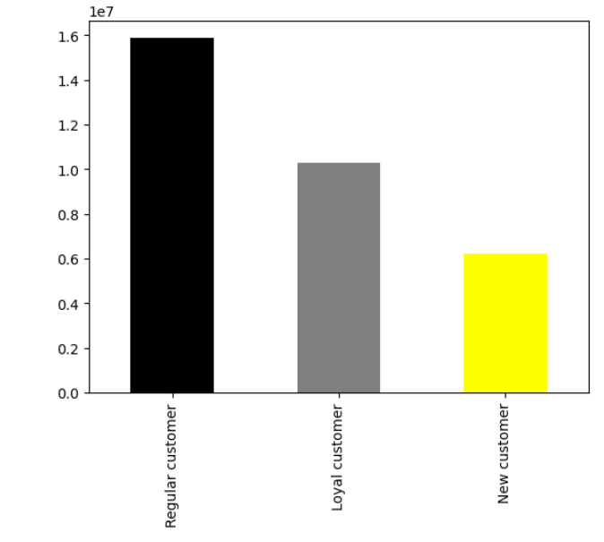

 | From the customer data, we can see that most of the instacart customers are regular customers. However, it's encouraging that the second column is loyal customers.

 | We can also see that the older the customers are, the more likely they are to be high and extremely high earners.

 | Task 4.10

 | Pie chart with simplified price categories - Instacart has a lot of products with different price tags. Marketing and sales want to use simpler price range groupings to help direct their efforts

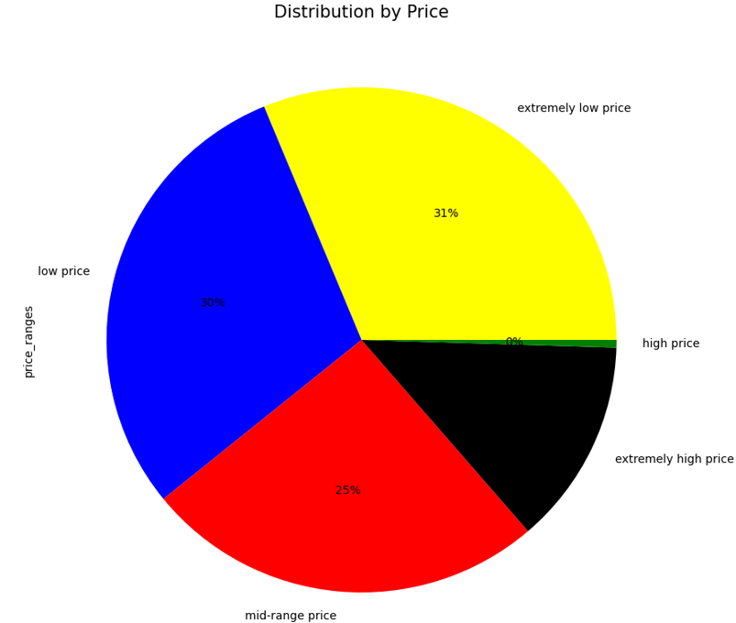

* All other visualisations can be found in the next tab, recommendations.

7. Recommendations
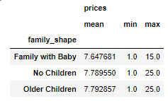
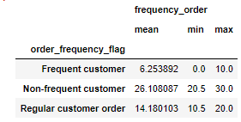
 |  |  |  |  |  |  | Title page

Recommendations

In this tab you should include any recommendations you would made to Instcart in terms of their marketing strategy based on the questions posed in the brief. Every key question has been covered in the Tasks of the Exercises - here you need to add an item - a visualisation or table/crosstable that is showing the answer in the data, acompanied by a comment from you. Please, list the questions below and add the answer underneath.

Question |  | Answer
What are the busiest times of the week and hours of the day? |  | Most orders are placed at 10:00 am. 11:00am is the second busiest time for orders, and 17:00 pm is the third busiest. The busiest days for shopping are Saturday and Sunday, with Friday coming up third. In order to increase sales in the least busiest times, the best days to place ads would be Tuesday and Wednesday , and the best hours between midnight and 6:00 am.

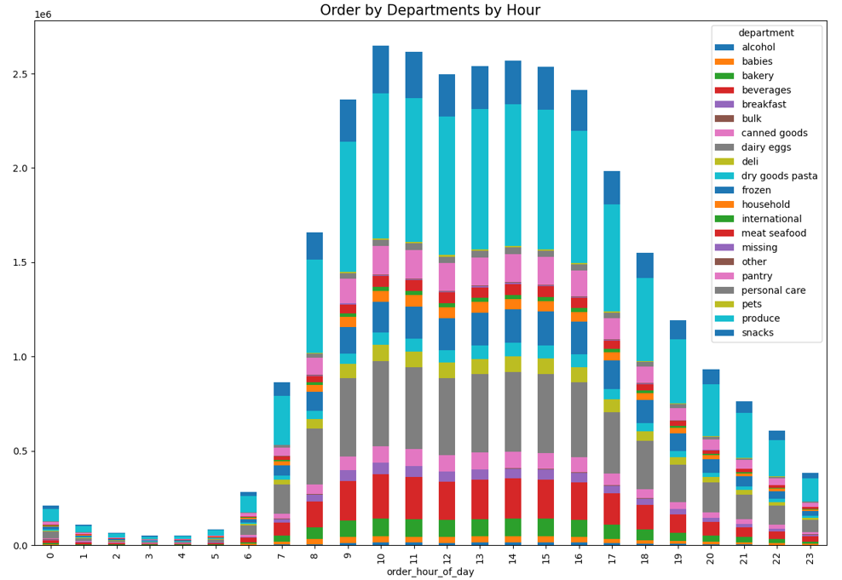
What time do people spend the most money? When is the best time to push certain items? |  |  | We can see from the graph that people buy the most expensive items around 1:00am. From the second graph, you can see the different items that are purchased at each time of the day. It seems from 12 to 6 am, produce is fairly popular, as well as dairy eggs and alcohol.

Are there certain types of products that are more popular than others? The marketing and sales teams want to know which departments have the highest frequency of product orders. |  |  | Produce is clearly the top earner in Instacart, as well as dairy eggs and beverages. Snacks are also popular. It's clear from the top 4 that fresh food is something that customers value, so we should promote this when customers first enter the app. We could also suggest fresh food to the users when they have nearly completed their order to remind them of anything they missed.

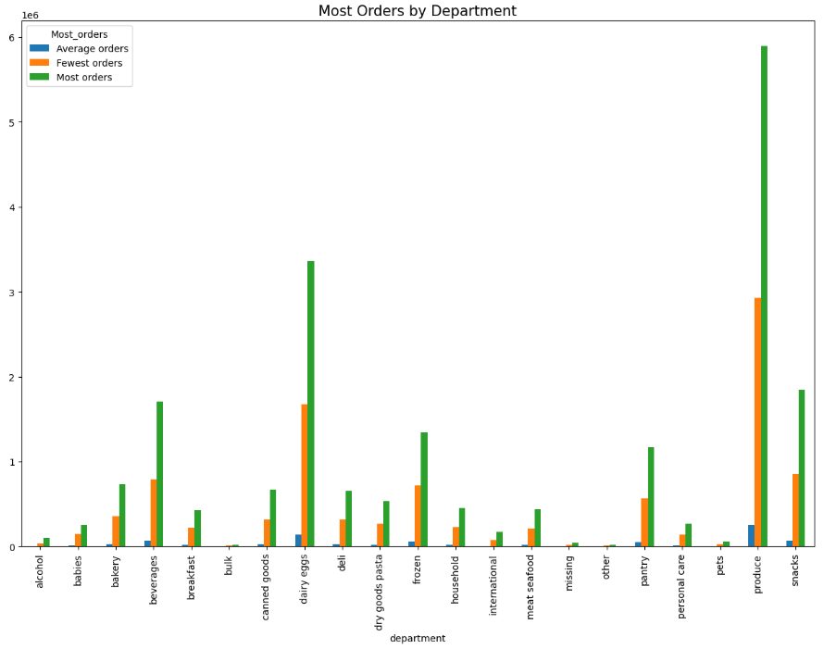

What’s the distribution among users in regards to their brand loyalty (i.e., how often do they return to Instacart)? |  |  | From this bar chart, we can see that our loyal customers, are our most frequent customers, on the same level as our regular customers. New customers are equally frequent, non-frequent and regular, meaning that we have a good opportunity to turn them into loyal customers.

Are there differences in ordering habits based on a customer’s loyalty status?
Are there differences in ordering habits based on a customer’s region? |  |  |  |  |  | Suprisingly enough, regular customers seem to buy the most higly priced items, and seem to spend the most money. Users in the South, especially the Baby Boomers, Millennials, and Gen X spend the most, and the North East spend the least. In order to increase our users, I recommend that we look into what competiton they have in the North East. Advertising in the South should be cheaper as well, since the market there is so receptive.

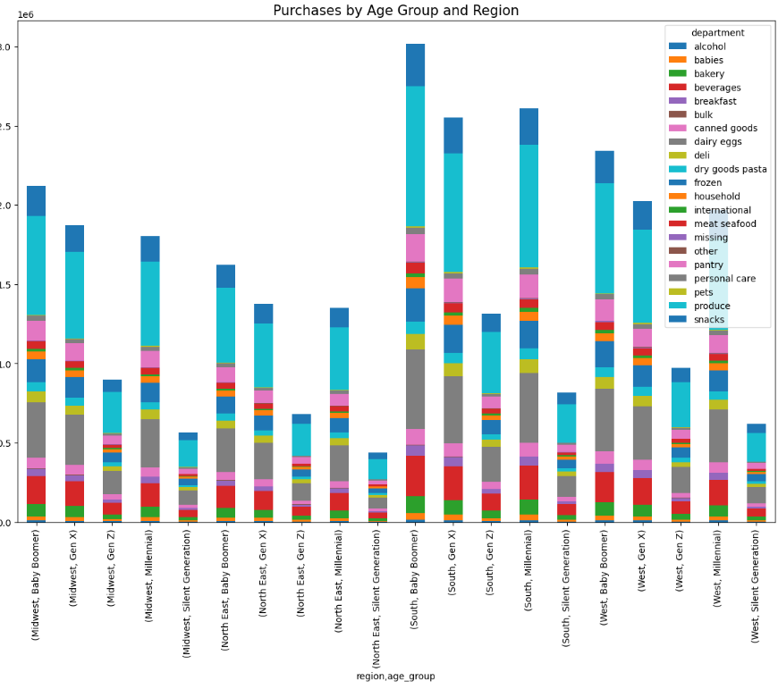

Is there a connection between age and family status in terms of ordering habits? |  |  |  |  | All families with babies, no matter what age group they come from, only spend money on items for babies. They also spend the least amount of money, and have the lowest amount of orders, on average. Instacart should look into why this is happening, or if there is anything wrong with the data. If it's true, then Instacart has a great oppertunity to expand the market from that particular family shape. You can also see from the graph that families with older children spend the most, so if you can retain families with babies, it will pay off later.
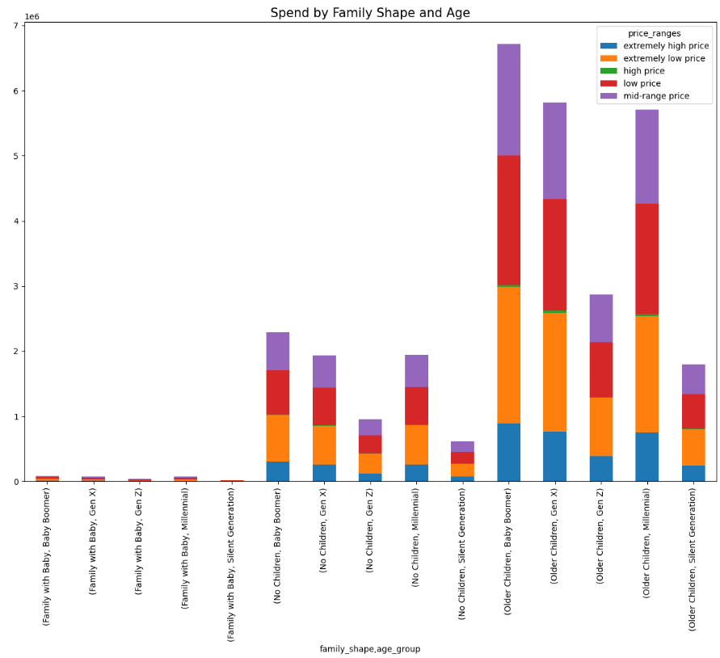

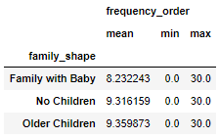
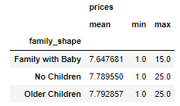

What different classifications does the demographic information suggest? Age? Income? Certain types of goods? Family status?
 |  |  |  | All families with older children spend more money than all other family shapes. Families with older children seem to spend the most on produce, and snacks as well. Baby Boomers and Gen X are the highest paid customers that Instacart have, so targeting them should be the priority, especially as they are also more likely to have older children.

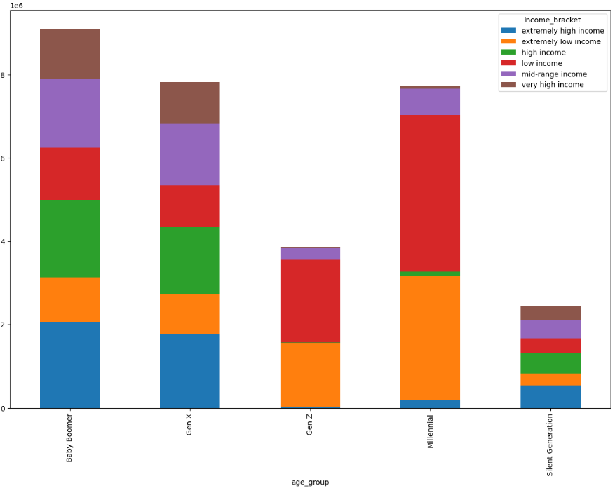

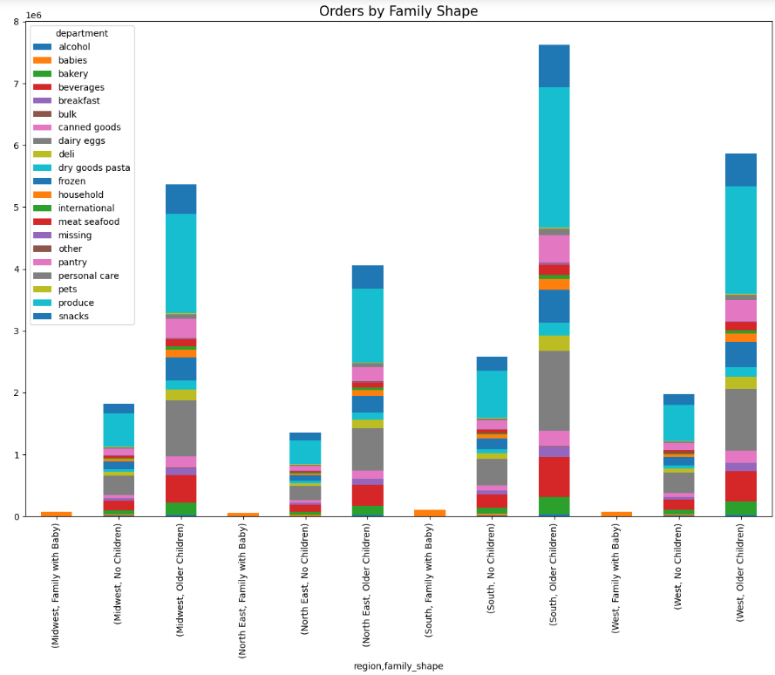

What differences can you find in ordering habits of different customer profiles?

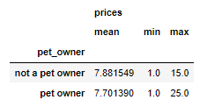
 | As mentioned before, families with babies spend the least, so there is opportunity there to expand the market. Pet owners however, spend much more than non pet owners. Instacart has an opportunity here to push more items on people with pets in order to get them to purchase more. Another suprise is that Frequent customers spend the least out of the profiles looked at. More needs to be investigated here, to see if money is being lost in frequent low cost deliverys. Non-Frequent customers seem to spend the most, so while they may not purchase as much, we should be looking at if they are doing a big shop - maybe suggesting long -life items to these people could increase sales. Althernativley, we could offer them more fresh food in an attempt to get them to return more.

